Input
Input

Machine 2 Velocity |  |  | Number Of Jobs

j | 1 | 2 | 3 | 4 | 5 | 6 | 7 | 8 | 9 | 10 | 11 | 12 | 13 | 14 | 15 | 16 | 17 | 18 | 19 | 20 | 21 | 22 | 23 | 24 | 25 | 26 | 27 | 28 | 29 | 30 | 31 | 32 | 33 | 34 | 35 | 36 | 37 | 38 | 39 | 40 | 41 | 42 | 43 | 44 | 45 | 46 | 47 | 48 | 49 | 50 | 51 | 52 | 53 | 54 | 55 | 56 | 57 | 58 | 59 | 60 | 61 | 62 | 63 | 64 | 65 | 66 | 67 | 68 | 69 | 70 | 71 | 72 | 73 | 74 | 75 | 76 | 77 | 78 | 79 | 80 | 81 | 82 | 83 | 84 | 85 | 86 | 87 | 88 | 89 | 90 | 91 | 92 | 93 | 94 | 95 | 96 | 97 | 98 | 99 | 100 | 101 | 102 | 103 | 104 | 105 | 106 | 107 | 108 | 109 | 110 | 111 | 112 | 113 | 114 | 115 | 116 | 117 | 118 | 119 | 120 | 121 | 122 | 123 | 124 | 125 | 126 | 127 | 128 | 129 | 130 | 131 | 132 | 133 | 134 | 135 | 136 | 137 | 138 | 139 | 140 | 141 | 142 | 143 | 144 | 145 | 146 | 147 | 148 | 149 | 150 | 151 | 152 | 153 | 154 | 155 | 156 | 157 | 158 | 159 | 160 | 161 | 162 | 163 | 164 | 165 | 166 | 167 | 168 | 169 | 170 | 171 | 172 | 173 | 174 | 175 | 176 | 177 | 178 | 179 | 180 | 181 | 182 | 183 | 184 | 185 | 186 | 187 | 188 | 189 | 190 | 191 | 192 | 193 | 194 | 195 | 196 | 197 | 198 | 199 | 200
tj

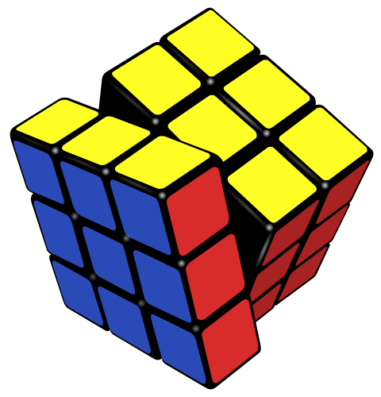



Clear Input
Solve
Clear All Sheets

PartB1
Part B1

Lower Bounds
LB1 |  |  | LB2 |  |  | LB

Optimal Schedule

[ j ] | 1 | 2 | 3 | 4 | 5 | 6 | 7 | 8 | 9 | 10 | 11 | 12 | 13 | 14 | 15 | 16 | 17 | 18 | 19 | 20 | 21 | 22 | 23 | 24 | 25
Machine1
Machine2

 |  |  |  |  |  |  |  |  |  | Cmax*

Clear Output
Clear All Sheets

PartB2
Clear Output
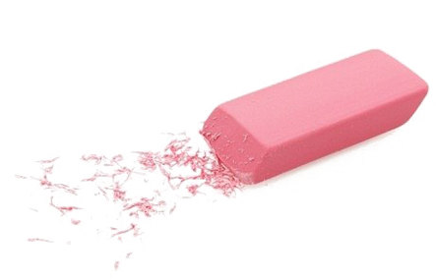
Clear All Sheets
Part B2

Lower Bounds
LB1 |  |  | LB2 |  |  | LB

Algorithm H1

[ j ] | 1 | 2 | 3 | 4 | 5 | 6 | 7 | 8 | 9 | 10 | 11 | 12 | 13 | 14 | 15 | 16 | 17 | 18 | 19 | 20 | 21 | 22 | 23 | 24 | 25 | 26 | 27 | 28 | 29 | 30 | 31 | 32 | 33 | 34 | 35 | 36 | 37 | 38 | 39 | 40 | 41 | 42 | 43 | 44 | 45 | 46 | 47 | 48 | 49 | 50 | 51 | 52 | 53 | 54 | 55 | 56 | 57 | 58 | 59 | 60 | 61 | 62 | 63 | 64 | 65 | 66 | 67 | 68 | 69 | 70 | 71 | 72 | 73 | 74 | 75 | 76 | 77 | 78 | 79 | 80 | 81 | 82 | 83 | 84 | 85 | 86 | 87 | 88 | 89 | 90 | 91 | 92 | 93 | 94 | 95 | 96 | 97 | 98 | 99 | 100 | 101 | 102 | 103 | 104 | 105 | 106 | 107 | 108 | 109 | 110 | 111 | 112 | 113 | 114 | 115 | 116 | 117 | 118 | 119 | 120 | 121 | 122 | 123 | 124 | 125 | 126 | 127 | 128 | 129 | 130 | 131 | 132 | 133 | 134 | 135 | 136 | 137 | 138 | 139 | 140 | 141 | 142 | 143 | 144 | 145 | 146 | 147 | 148 | 149 | 150 | 151 | 152 | 153 | 154 | 155 | 156 | 157 | 158 | 159 | 160 | 161 | 162 | 163 | 164 | 165 | 166 | 167 | 168 | 169 | 170 | 171 | 172 | 173 | 174 | 175 | 176 | 177 | 178 | 179 | 180 | 181 | 182 | 183 | 184 | 185 | 186 | 187 | 188 | 189 | 190 | 191 | 192 | 193 | 194 | 195 | 196 | 197 | 198 | 199 | 200
Machine1
Machine2

Cmax(H1)

Algorithm H2

[ j ] | 1 | 2 | 3 | 4 | 5 | 6 | 7 | 8 | 9 | 10 | 11 | 12 | 13 | 14 | 15 | 16 | 17 | 18 | 19 | 20 | 21 | 22 | 23 | 24 | 25 | 26 | 27 | 28 | 29 | 30 | 31 | 32 | 33 | 34 | 35 | 36 | 37 | 38 | 39 | 40 | 41 | 42 | 43 | 44 | 45 | 46 | 47 | 48 | 49 | 50 | 51 | 52 | 53 | 54 | 55 | 56 | 57 | 58 | 59 | 60 | 61 | 62 | 63 | 64 | 65 | 66 | 67 | 68 | 69 | 70 | 71 | 72 | 73 | 74 | 75 | 76 | 77 | 78 | 79 | 80 | 81 | 82 | 83 | 84 | 85 | 86 | 87 | 88 | 89 | 90 | 91 | 92 | 93 | 94 | 95 | 96 | 97 | 98 | 99 | 100 | 101 | 102 | 103 | 104 | 105 | 106 | 107 | 108 | 109 | 110 | 111 | 112 | 113 | 114 | 115 | 116 | 117 | 118 | 119 | 120 | 121 | 122 | 123 | 124 | 125 | 126 | 127 | 128 | 129 | 130 | 131 | 132 | 133 | 134 | 135 | 136 | 137 | 138 | 139 | 140 | 141 | 142 | 143 | 144 | 145 | 146 | 147 | 148 | 149 | 150 | 151 | 152 | 153 | 154 | 155 | 156 | 157 | 158 | 159 | 160 | 161 | 162 | 163 | 164 | 165 | 166 | 167 | 168 | 169 | 170 | 171 | 172 | 173 | 174 | 175 | 176 | 177 | 178 | 179 | 180 | 181 | 182 | 183 | 184 | 185 | 186 | 187 | 188 | 189 | 190 | 191 | 192 | 193 | 194 | 195 | 196 | 197 | 198 | 199 | 200
Machine1
Machine2

Cmax(H2)

Algorithm H3

[ j ] | 1 | 2 | 3 | 4 | 5 | 6 | 7 | 8 | 9 | 10 | 11 | 12 | 13 | 14 | 15 | 16 | 17 | 18 | 19 | 20 | 21 | 22 | 23 | 24 | 25 | 26 | 27 | 28 | 29 | 30 | 31 | 32 | 33 | 34 | 35 | 36 | 37 | 38 | 39 | 40 | 41 | 42 | 43 | 44 | 45 | 46 | 47 | 48 | 49 | 50 | 51 | 52 | 53 | 54 | 55 | 56 | 57 | 58 | 59 | 60 | 61 | 62 | 63 | 64 | 65 | 66 | 67 | 68 | 69 | 70 | 71 | 72 | 73 | 74 | 75 | 76 | 77 | 78 | 79 | 80 | 81 | 82 | 83 | 84 | 85 | 86 | 87 | 88 | 89 | 90 | 91 | 92 | 93 | 94 | 95 | 96 | 97 | 98 | 99 | 100 | 101 | 102 | 103 | 104 | 105 | 106 | 107 | 108 | 109 | 110 | 111 | 112 | 113 | 114 | 115 | 116 | 117 | 118 | 119 | 120 | 121 | 122 | 123 | 124 | 125 | 126 | 127 | 128 | 129 | 130 | 131 | 132 | 133 | 134 | 135 | 136 | 137 | 138 | 139 | 140 | 141 | 142 | 143 | 144 | 145 | 146 | 147 | 148 | 149 | 150 | 151 | 152 | 153 | 154 | 155 | 156 | 157 | 158 | 159 | 160 | 161 | 162 | 163 | 164 | 165 | 166 | 167 | 168 | 169 | 170 | 171 | 172 | 173 | 174 | 175 | 176 | 177 | 178 | 179 | 180 | 181 | 182 | 183 | 184 | 185 | 186 | 187 | 188 | 189 | 190 | 191 | 192 | 193 | 194 | 195 | 196 | 197 | 198 | 199 | 200
Machine1
Machine2

Cmax(H3)

Algorithm H4

[ j ] | 1 | 2 | 3 | 4 | 5 | 6 | 7 | 8 | 9 | 10 | 11 | 12 | 13 | 14 | 15 | 16 | 17 | 18 | 19 | 20 | 21 | 22 | 23 | 24 | 25 | 26 | 27 | 28 | 29 | 30 | 31 | 32 | 33 | 34 | 35 | 36 | 37 | 38 | 39 | 40 | 41 | 42 | 43 | 44 | 45 | 46 | 47 | 48 | 49 | 50 | 51 | 52 | 53 | 54 | 55 | 56 | 57 | 58 | 59 | 60 | 61 | 62 | 63 | 64 | 65 | 66 | 67 | 68 | 69 | 70 | 71 | 72 | 73 | 74 | 75 | 76 | 77 | 78 | 79 | 80 | 81 | 82 | 83 | 84 | 85 | 86 | 87 | 88 | 89 | 90 | 91 | 92 | 93 | 94 | 95 | 96 | 97 | 98 | 99 | 100 | 101 | 102 | 103 | 104 | 105 | 106 | 107 | 108 | 109 | 110 | 111 | 112 | 113 | 114 | 115 | 116 | 117 | 118 | 119 | 120 | 121 | 122 | 123 | 124 | 125 | 126 | 127 | 128 | 129 | 130 | 131 | 132 | 133 | 134 | 135 | 136 | 137 | 138 | 139 | 140 | 141 | 142 | 143 | 144 | 145 | 146 | 147 | 148 | 149 | 150 | 151 | 152 | 153 | 154 | 155 | 156 | 157 | 158 | 159 | 160 | 161 | 162 | 163 | 164 | 165 | 166 | 167 | 168 | 169 | 170 | 171 | 172 | 173 | 174 | 175 | 176 | 177 | 178 | 179 | 180 | 181 | 182 | 183 | 184 | 185 | 186 | 187 | 188 | 189 | 190 | 191 | 192 | 193 | 194 | 195 | 196 | 197 | 198 | 199 | 200
Machine1
Machine2

Cmax(H4)

 |  |  |  |  |  |  |  |  |  |  |  | Best Algorithm

The best Algorithm number is |  | Algorithm H2

[ j ] | 1 | 2 | 3 | 4 | 5 | 6 | 7 | 8 | 9 | 10 | 11 | 12 | 13 | 14 | 15 | 16 | 17 | 18 | 19 | 20 | 21 | 22 | 23 | 24 | 25 | 26 | 27 | 28 | 29 | 30 | 31 | 32 | 33 | 34 | 35 | 36 | 37 | 38 | 39 | 40 | 41 | 42 | 43 | 44 | 45 | 46 | 47 | 48 | 49 | 50 | 51 | 52 | 53 | 54 | 55 | 56 | 57 | 58 | 59 | 60 | 61 | 62 | 63 | 64 | 65 | 66 | 67 | 68 | 69 | 70 | 71 | 72 | 73 | 74 | 75 | 76 | 77 | 78 | 79 | 80 | 81 | 82 | 83 | 84 | 85 | 86 | 87 | 88 | 89 | 90 | 91 | 92 | 93 | 94 | 95 | 96 | 97 | 98 | 99 | 100 | 101 | 102 | 103 | 104 | 105 | 106 | 107 | 108 | 109 | 110 | 111 | 112 | 113 | 114 | 115 | 116 | 117 | 118 | 119 | 120 | 121 | 122 | 123 | 124 | 125 | 126 | 127 | 128 | 129 | 130 | 131 | 132 | 133 | 134 | 135 | 136 | 137 | 138 | 139 | 140 | 141 | 142 | 143 | 144 | 145 | 146 | 147 | 148 | 149 | 150 | 151 | 152 | 153 | 154 | 155 | 156 | 157 | 158 | 159 | 160 | 161 | 162 | 163 | 164 | 165 | 166 | 167 | 168 | 169 | 170 | 171 | 172 | 173 | 174 | 175 | 176 | 177 | 178 | 179 | 180 | 181 | 182 | 183 | 184 | 185 | 186 | 187 | 188 | 189 | 190 | 191 | 192 | 193 | 194 | 195 | 196 | 197 | 198 | 199 | 200
Machine1
Machine2

Cmax
Optimal?
ej

Linear Programming
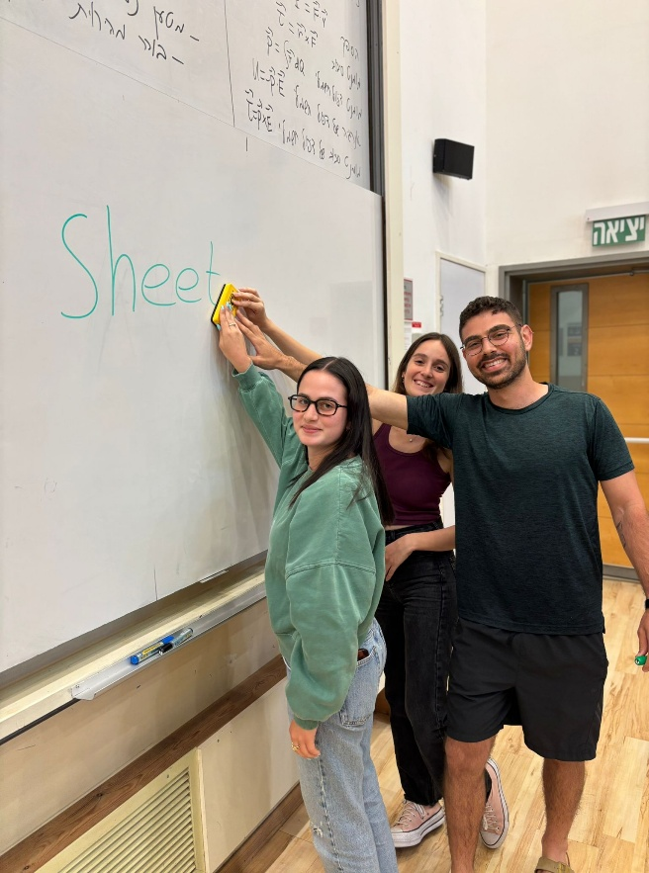
Variables | j | time | x- (machine binary) | x*time= Cm1 | (1-x)*time=Cm2
 | X1 |  |  | 0 | #DIV/0!
 | X2 |  |  | 0 | #DIV/0!
 | X3 |  |  | 0 | #DIV/0!
 | X4 |  |  | 0 | #DIV/0!
 | X5 |  |  | 0 | #DIV/0!
 | X6 |  |  | 0 | #DIV/0!
 | X7 |  |  | 0 | #DIV/0!
 | X8 |  |  | 0 | #DIV/0!
 | X9 |  |  | 0 | #DIV/0!
 | X10 |  |  | 0 | #DIV/0!
 | X11 |  |  | 0 | #DIV/0!
 | X12 |  |  | 0 | #DIV/0!
 | X13 |  |  | 0 | #DIV/0!
 | X14 |  |  | 0 | #DIV/0!
Clear Sheet
 | X15 |  |  | 0 | #DIV/0!
 | X16 |  |  | 0 | #DIV/0!
 | X17 |  |  | 0 | #DIV/0!
 | X18 |  |  | 0 | #DIV/0!
 | X19 |  |  | 0 | #DIV/0!
 | X20 |  |  | 0 | #DIV/0!
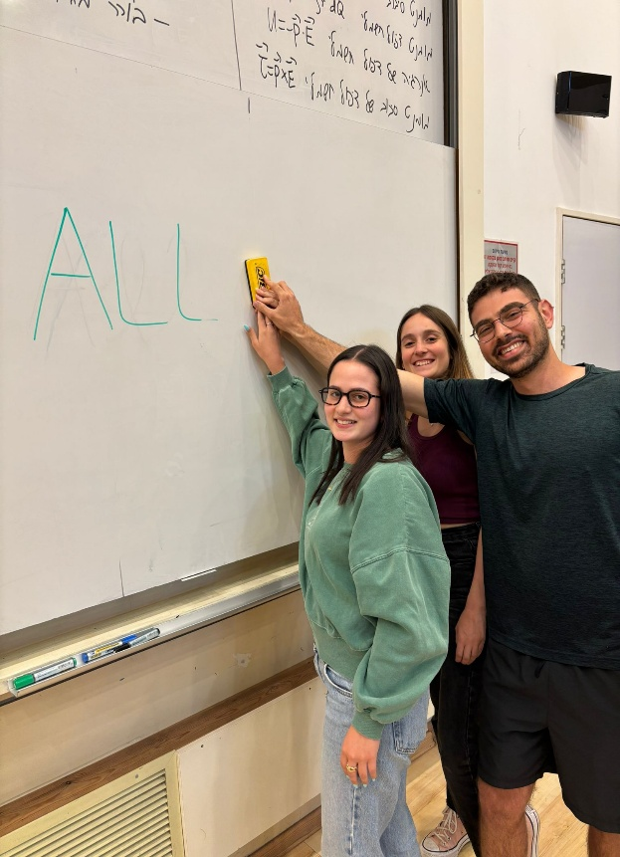
 | X21 |  |  | 0 | #DIV/0!
 | X22 |  |  | 0 | #DIV/0!
 | X23 |  |  | 0 | #DIV/0!
 | X24 |  |  | 0 | #DIV/0!
 | X25 |  |  | 0 | #DIV/0!
target function | min C-max |  |  | 0 | #DIV/0!
S.T | s1=1
 | s2=s2 | 0
 | c-max>0
 | xj binary
 | Cmax​≥∑Xj​⋅tj​
 | Cmax​≥∑(1−Xj​)⋅tj​/s2

Clear All Sheets

Algo_H4

tj | tj/s2 | tj-tj/s2

Clear Sheet



Clear All Sheets

